Indices

 | Iraq Stock Exchange
 | Bulletin No (47)
 | ISX Trading Indices of Wednesday 11/3/2026

 | Traded Volume and OTC |  | 682,166,551 |  | Traded Value and OTC |  | 783,980,341 |  | Traders | 999

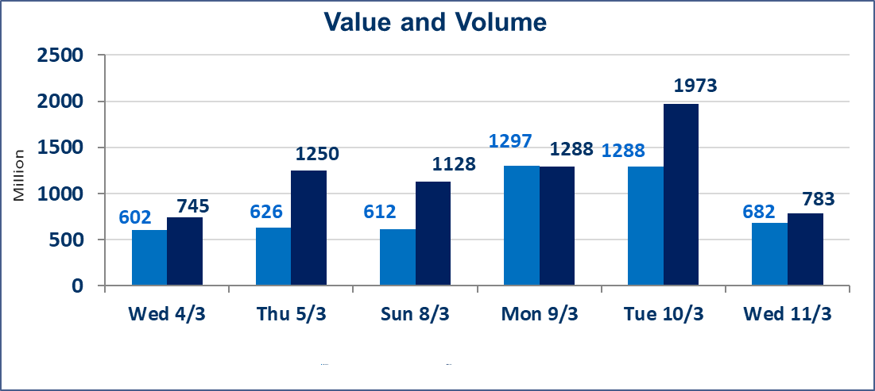
 | ISX Index 60 |  |  | 989.47 | ISX Index 15 |  |  | 1237.85
 | Previous ISX Index60 |  |  | 972.09 | Previous ISX Index15 |  |  | 1223.90
 | Change % |  |  | 1.79 | Change % |  |  | 1.14
 | Change |  |  | 17.38 | Change |  |  | 13.95

 | Listed Companies | 104 | OTC | 14 | Non Traded listed | 46 | OTC | 13
 | Traded Listed Companies | 46 | OTC | 1 | Higher Companies |  |  | 27
 | GAM Companies |  |  | 2 | Lower Companies |  |  | 4
 | Suspended Companies |  |  | 10
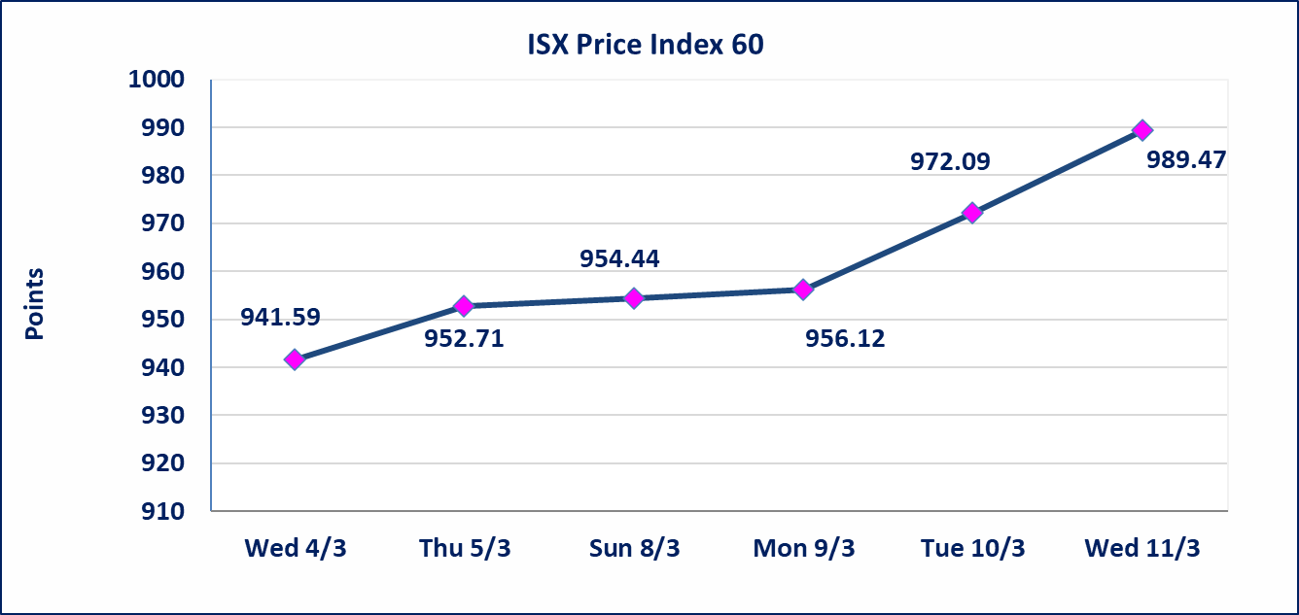
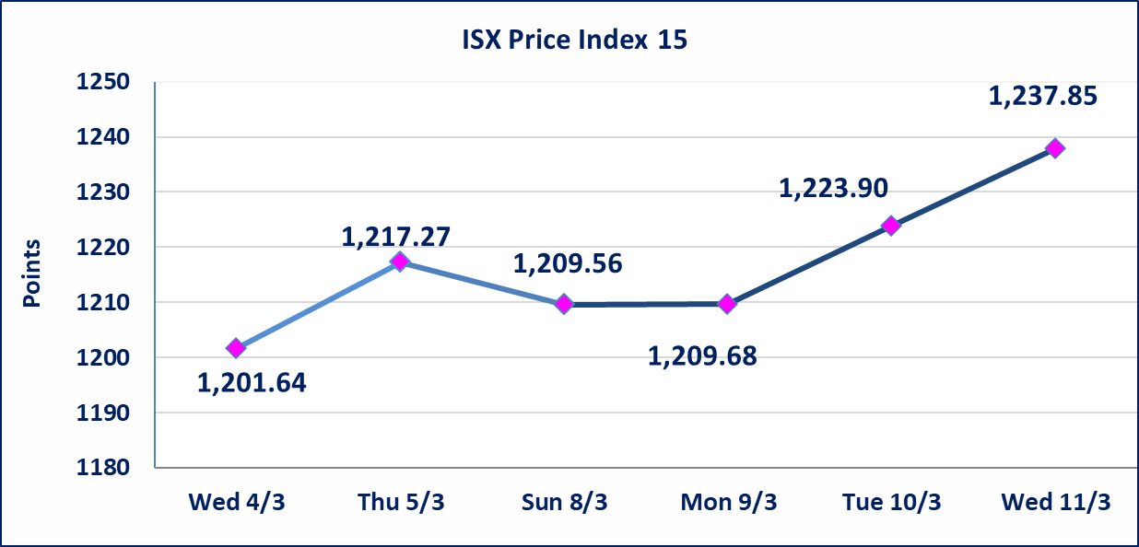

Al-Alwiya P.O . 3607 Mobile: 07711211522 - 07270094594 - 07834000034 E-mail: info-isx@isx-iq.net Web site:www.isx-iq.net

Top 5
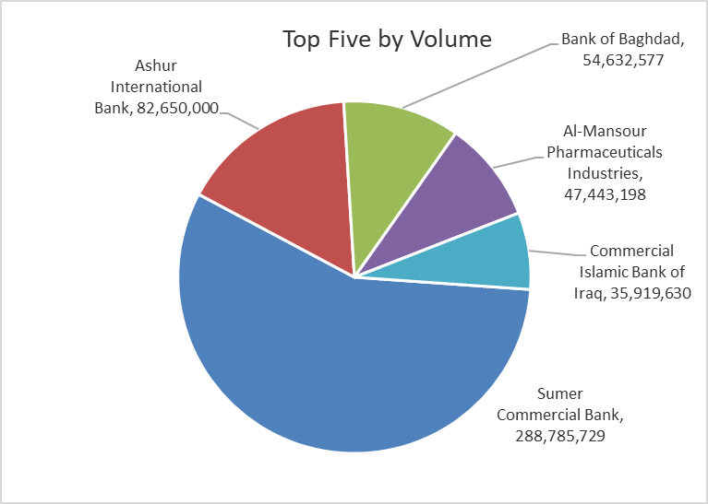
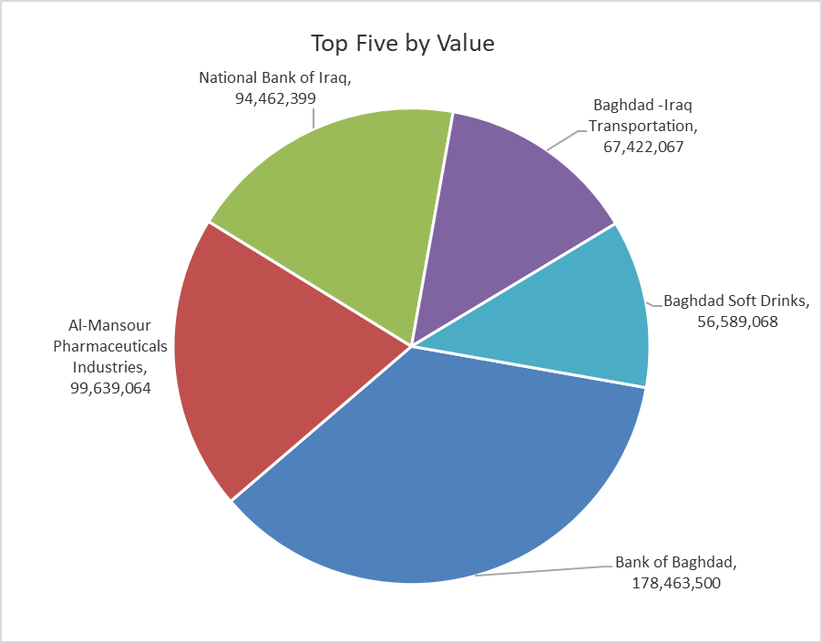

ISX top ganing and losing companies
Wednesday 11/3/2026
 | Gainers |  |  |  | Losers
 | Company Name | Closing Price | Change (%) | Traded Volume | Company Name | Closing Price | Change (%) | Traded Volume
 | Mosul Bank For Investment | 0.150 | 7.14 | 2,111,627 | Al-Ahlyia agricultural production | 2.450 | -3.92 | 33,879
 | Al-Hamraa for Insurance | 4.200 | 5.00 | 5,000 | Palestine Hotel | 19.000 | -1.04 | 2,102,271
 | Baghdad -Iraq Transportation | 23.340 | 4.99 | 2,891,431 | National Furniture Industries | 0.990 | -1.00 | 5,000
 | Agricultural Products Meat | 4.820 | 4.78 | 6,390 | Iraqi Islamic Bank | 1.010 | -0.98 | 2,529,525
 | Bank of Baghdad | 3.300 | 4.76 | 54,632,577
 | The most active companies in term of traded volume and value

 | Traded Volume |  |  |  | Traded Value
 | Company Name | Closing Price | Change (%) | Traded Volume | Company Name | Closing Price | Change (%) | Traded Value
 | Sumer Commercial Bank | 0.150 | 0.00 | 288,785,729 | Bank of Baghdad | 3.300 | 4.76 | 178,463,500
 | Ashur International Bank | 0.240 | 0.00 | 82,650,000 | Al-Mansour Pharmaceuticals Industries | 2.110 | 0.48 | 99,639,064
 | Bank of Baghdad | 3.300 | 4.76 | 54,632,577 | National Bank of Iraq | 4.770 | 1.27 | 94,462,399
 | Al-Mansour Pharmaceuticals Industries | 2.110 | 0.48 | 47,443,198 | Baghdad -Iraq Transportation | 23.340 | 4.99 | 67,422,067
 | Commercial Islamic Bank of Iraq | 0.660 | 0.00 | 35,919,630 | Baghdad Soft Drinks | 5.800 | 1.58 | 56,589,068

Non Iraqi

Iraq Stock Exchange
Non Iraqis' Bulletin Wednesday March 11 2026
Regular Market

Non Iraqi Trading of Regular Market (Sell)
Company Names | Code | No.of trades | Traded Shares | Trading Volume
Banks Sector
Bank Of Baghdad | BBOB | 16 | 7,000,000 | 23,015,000
National Bank Of Iraq | BNOI | 17 | 6,630,000 | 31,293,600
Total Bank sector |  | 33 | 13,630,000 | 54,308,600
Telecommunication Sector
Asia cell | TASC | 16 | 1,000,000 | 14,858,620
Total Telecommunication sector |  | 16 | 1,000,000 | 14,858,620
Grand Total |  | 49 | 14,630,000 | 69,167,220

Not Trading Bonds

Iraq Stock Exchange
Wednesday 11/3/2026
Not Trading Bonds Bulletin
Bond type | Publish type | Code | last trading price | immortilize date
Banaa Bonds /Million ID | Second | CB20 | 964,981 | 19/12/2025
Eamar Bonds /Million ID | First | CB30 | 1,001,095 | ــــــــــــــــ
Eamar Bonds /Million ID | Second | CB40 | ــــــــــــــــ | ــــــــــــــــ
Eamar Bonds /500 Thousand ID | Third | CB45 | ــــــــــــــــ | ــــــــــــــــ
Eamar Bonds /Million ID | Third | CB50 | ــــــــــــــــ | ــــــــــــــــ
Injaz Bonds /500 Thousand ID | First | CB55 | ــــــــــــــــ | ــــــــــــــــ
Injaz Bonds /Million ID | First | CB60 | ــــــــــــــــ | ــــــــــــــــ
Injaz Bonds /500 Thousand ID | Second | CB65 | 503,793 | ــــــــــــــــ
Injaz Bonds /Million ID | Second | CB70 | 1,026,082 | ــــــــــــــــ
Injaz Bonds /500 Thousand ID | Third | CB75 | ــــــــــــــــ | ــــــــــــــــ
Injaz Bonds /Million ID | Third | CB80 | 978,182 | ــــــــــــــــ
National Bonds/Million ID | First | CB90 | ــــــــــــــــ | ــــــــــــــــ
National Bonds/500 Thousand ID | Second | CB95 | ــــــــــــــــ | ــــــــــــــــ
National Bonds/Million ID | Second | CB100 | ــــــــــــــــ | ــــــــــــــــ

